ART
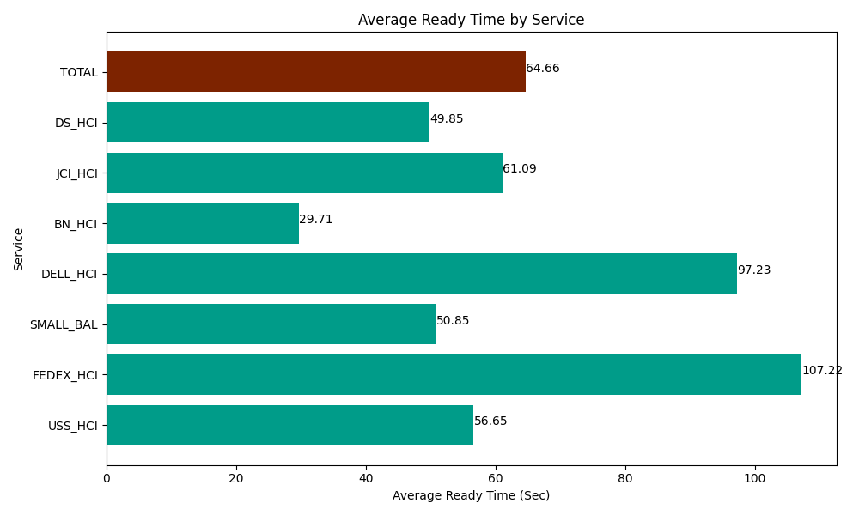
Date | Service | Successful Op Transfer | In Call (Sec) | Ready (Sec) | Wrapup (Sec) | Not Ready (Sec) | Average Ready Time (Sec)
03-12-2024 | USS_HCI | 229 | 35953.198242 | 12973.200073 | 51109.801025 | 17097.000732 | 56.65
03-12-2024 | FEDEX_HCI | 13 | 1881.0000229 | 1393.7999725 | 334.79999542 | 1171.8000412 | 107.22
03-12-2024 | SMALL_BAL | 318 | 23357.999268 | 16171.199341 | 32509.200439 | 29182.800293 | 50.85
03-12-2024 | DELL_HCI | 169 | 14158.200073 | 16432.199707 | 49783.798828 | 15676.199341 | 97.23
03-12-2024 | BN_HCI | 486 | 21760.799561 | 14440.19989 | 63229.797363 | 29008.800659 | 29.71
03-12-2024 | JCI_HCI | 433 | 40282.199707 | 26452.800293 | 50950.799561 | 11941.200256 | 61.09
03-12-2024 | DS_HCI | 941 | 59100 | 46906.201172 | 96271.201172 | 121130.99854 | 49.85
 | TOTAL | 2589 | 196493.39687 | 134769.60045 | 344189.39838 | 225208.79986 | 64.66

